Stock_Avail
 |  |  |  |  |  |  |  |  |  | Sizing Breakdown
SKU Photo | Style | Color Code | Spec Color | Spec Material | Retail Price | Total Qty | Pack Type | NRF CLR | Dm/PK | 5 | 5.5 | 6 | 6.5 | 7 | 7.5 | 8 | 8.5 | 9 | 9.5 | 10 | 10.5 | 11
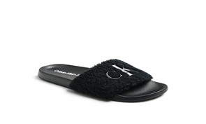 | C-AMAYA | BLK02 | BLACK/BLACK | SHEARLING KNT0012548-WPH | $59.00 | 119 | OS | 002 | M | 0 | 0 | 34 | 0 | 83 | 0 | 1 | 0 | 1 | 0 | 0 | 0 | 0
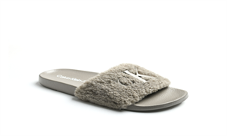 | C-AMAYA | LGR02 | BRINDLE/BRINDLE | SHEARLING KNT0012548-WPH | $59.00 | 242 | OS | 051 | M | 8 | 0 | 26 | 0 | 113 | 0 | 74 | 0 | 18 | 0 | 1 | 0 | 2
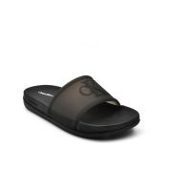 | C-BARLI | BLK01 | BLACK | HALF CLEAR PVC MOLDED WPH | $49.00 | 960 | OS | 001 | M | 26 | 0 | 112 | 0 | 247 | 0 | 243 | 0 | 187 | 0 | 125 | 0 | 20
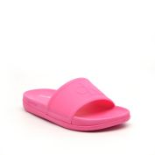 | C-BARLI | DPI01 | TROPICAL PINK | HALF CLEAR PVC MOLDED WPH | $49.00 | 900 | OS | 650 | M | 33 | 0 | 111 | 0 | 222 | 0 | 228 | 0 | 177 | 0 | 108 | 0 | 21
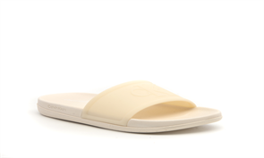 | C-BARLI | LNA01 | LT DUNE | HALF CLEAR PVC MOLDED WPH | $49.00 | 858 | OS | 110 | M | 28 | 0 | 92 | 0 | 221 | 0 | 220 | 0 | 160 | 0 | 115 | 0 | 22
 | C-BARLI | WHI01 | WHITE | HALF CLEAR PVC MOLDED WPH | $49.00 | 885 | OS | 140 | M | 36 | 0 | 108 | 0 | 216 | 0 | 225 | 0 | 171 | 0 | 111 | 0 | 18
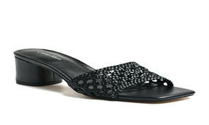 | C-BRIANNY | BLK01 | BLACK | WOVEN SUPER NAPPA PT PR WPH | $99.00 | 150 | OS | 001 | M | 0 | 2 | 21 | 29 | 46 | 17 | 7 | 0 | 11 | 12 | 2 | 0 | 3
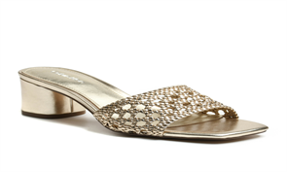 | C-BRIANNY | GOL01 | PLATINO15 | WOVEN JUDITH DX-50370PT PR WPH | $99.00 | 72 | OS | 710 | M | 1 | 7 | 24 | 32 | 3 | 2 | 1 | 0 | 1 | 1 | 0 | 0 | 0
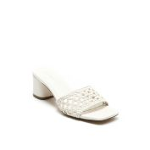 | C-BRIANNY | IVO01 | NEW CHIC CREAM | WOVEN SUPER NAPPA PT PR WPH | $99.00 | 591 | OS | 150 | M | 1 | 15 | 62 | 76 | 85 | 79 | 88 | 64 | 46 | 33 | 28 | 0 | 14
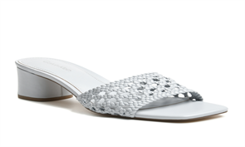 | C-BRIANNY | LBL01 | CHALK BLUE | WOVEN SUPER NAPPA PT PR WPH | $99.00 | 491 | OS | 450 | M | 0 | 17 | 53 | 62 | 71 | 62 | 67 | 57 | 36 | 31 | 27 | 0 | 8
 | C-BRIANNY | LBL01 | CHALK BLUE | WOVEN SUPER NAPPA PT PR WPH | $99.00 | 6 | PPK | 450 | FF67 | 0 | 0 | 0 | 0 | 0 | 1 | 1 | 1 | 1 | 1 | 1 | 0 | 0
 | C-BRIANNY | LBL01 | CHALK BLUE | WOVEN SUPER NAPPA PT PR WPH | $99.00 | 9 | PPK | 450 | MT50 | 0 | 0 | 0 | 1 | 1 | 1 | 1 | 1 | 1 | 1 | 1 | 0 | 1
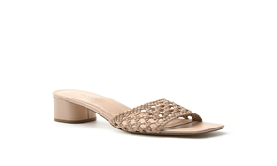 | C-BRIANNY | LNA01 | NEW LITE LATTE | WOVEN SUPER NAPPA PT PR WPH | $99.00 | 904 | OS | 110 | M | 2 | 17 | 102 | 107 | 130 | 128 | 118 | 96 | 67 | 54 | 61 | 0 | 22
 | C-BRIANNY | LNA01 | NEW LITE LATTE | WOVEN SUPER NAPPA PT PR WPH | $99.00 | 18 | PPK | 110 | FF66 | 0 | 0 | 3 | 3 | 3 | 3 | 3 | 3 | 0 | 0 | 0 | 0 | 0
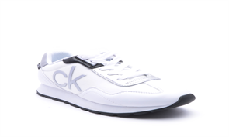 | C-CADEN2 | WHMLL | WHITE/WHITE/SILVER/BLACK/NEW PEARL | GS NAPPA PU WPH/LUXE MESH XZ-6341WPH/METALLIC GS NAPPA PU WP | $85.00 | 300 | OS | 142 | M | 20 | 20 | 25 | 25 | 35 | 30 | 30 | 25 | 30 | 20 | 20 |  | 20
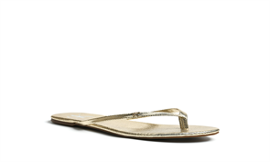 | C-CRUDE | GOL03 | GOLD2 | MINI DIAMOND PITONE BL-25050WPH | $49.00 | 80 | OS | 790 | M | 0 | 2 | 26 | 26 | 11 | 11 | 0 | 0 | 0 | 2 | 2 | 0 | 0
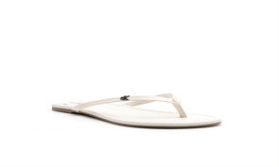 | C-CRUDE | IVO01 | NEW CHIC CREAM | SUPER NAPPA PU WPH | $49.00 | 383 | OS | 150 | M | 2 | 13 | 36 | 67 | 40 | 62 | 26 | 56 | 1 | 23 | 55 | 0 | 2
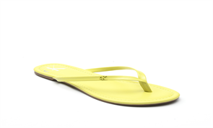 | C-CRUDE | LGN01 | LIME17 | SUPER NAPPA PU WPH | $49.00 | 168 | PPK | 330 | FF30 | 0 | 0 | 14 | 14 | 14 | 28 | 28 | 28 | 14 | 14 | 14 | 0 | 0
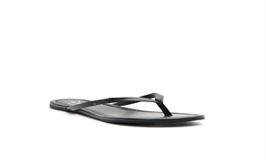 | C-CRUDE-X | BLK01 | BLACK | SUPER NAPPA PU WPH | $45.00 | 10 | OS | 001 | M | 0 | 0 | 0 | 0 | 1 | 0 | 1 | 0 | 0 | 0 | 5 | 0 | 3
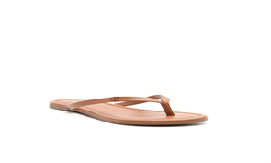 | C-CRUDE-X | DNA01 | NEW LUGGAGE20 | SUPER NAPPA PU WPH | $45.00 | 13 | OS | 120 | M | 2 | 0 | 0 | 0 | 6 | 0 | 2 | 0 | 3 | 0 | 0 | 0 | 0
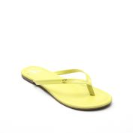 | C-CRUDE-X | LGN01 | LIME17 | SUPER NAPPA PU WPH | $45.00 | 1 | OS | 330 | M | 0 | 0 | 1 | 0 | 0 | 0 | 0 | 0 | 0 | 0 | 0 | 0 | 0
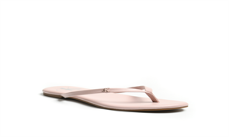 | C-CRUDE-X | LPI01 | DK ROSE DUST | SUPER NAPPA PU WPH | $45.00 | 1 | OS | 680 | M | 0 | 0 | 1 | 0 | 0 | 0 | 0 | 0 | 0 | 0 | 0 | 0 | 0
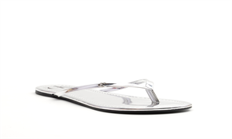 | C-CRUDE-X | SIL01 | SILVER | CM22035SPECCHIO MIRROR PU WPH | $45.00 | 1 | OS | 040 | M | 0 | 0 | 0 | 0 | 0 | 0 | 0 | 0 | 0 | 0 | 1 | 0 | 0
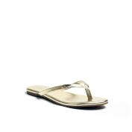 | C-CRUDE3-X | GOL02 | PLATINO15 | JUDITH DX-50370WPH | $45.00 | 6 | OS | 788 | M | 0 | 0 | 1 | 0 | 2 | 0 | 2 | 0 | 0 | 0 | 1 | 0 | 0
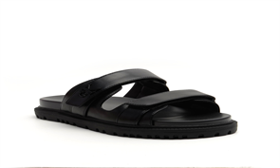 | C-DONNIE | BLK01 | BLACK | SUPER NAPPA PU WPH | $89.00 | 260 | OS | 001 | M | 50 | 26 | 25 | 1 | 34 | 3 | 0 | 0 | 37 | 17 | 40 | 0 | 27
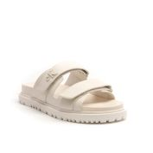 | C-DONNIE | IVO01 | NEW CHIC CREAM | SUPER NAPPA PU WPH | $89.00 | 381 | OS | 150 | M | 39 | 20 | 19 | 4 | 32 | 10 | 57 | 28 | 68 | 18 | 50 | 0 | 36
 | C-DONNIE-Z | IVO01 | NEW CHIC CREAM | SUPER NAPPA PU WPH | $89.00 | 12 | PPK | 150 | FF30 | 0 | 0 | 1 | 1 | 1 | 2 | 2 | 2 | 1 | 1 | 1 | 0 | 0
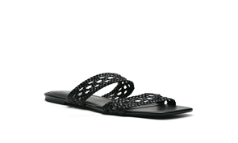 | C-FLORENCY | BLK01 | BLACK | WOVEN SUPER NAPPA PT WPH | $79.00 | 1064 | OS | 001 | M | 23 | 39 | 131 | 130 | 143 | 141 | 144 | 121 | 73 | 43 | 48 | 0 | 28
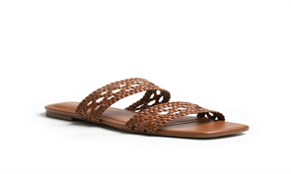 | C-FLORENCY | DNA01 | NEW LUGGAGE23 | WOVEN SUPER NAPPA PT WPH | $79.00 | 377 | OS | 120 | M | 8 | 7 | 40 | 39 | 56 | 47 | 56 | 46 | 33 | 11 | 24 | 0 | 10
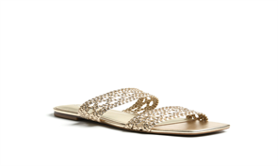 | C-FLORENCY | GOL01 | PLATINO15 | WOVEN JUDITH DX-50370PT WPH | $79.00 | 407 | OS | 710 | M | 11 | 10 | 41 | 40 | 57 | 50 | 59 | 50 | 34 | 17 | 30 | 0 | 8
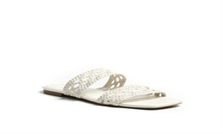 | C-FLORENCY | IVO01 | NEW CHIC CREAM | WOVEN SUPER NAPPA PT WPH | $79.00 | 1216 | OS | 150 | M | 24 | 47 | 137 | 137 | 166 | 167 | 161 | 142 | 98 | 37 | 66 | 0 | 34
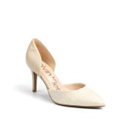 | C-GLORIA2-MB | LNA03 | NATURAL81555/NATURAL81555 | FINE RAFFIA PP JH23PS-SNL106WPH/FEZ NAPPA PU WPH | $99.00 | 36 | PPK | 112 | FF30 | 0 | 0 | 3 | 3 | 3 | 6 | 6 | 6 | 3 | 3 | 3 | 0 | 0
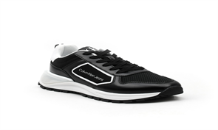 | C-GOGETIT | BLK01 | BLACK/BLACK/BLACK/CM WHITE/BLACK+CM W+B/B/B+B/CW/B | TINY GRID TEXPW/GRW/GSPW/GTPW/SWW/GWW/RM XZ-S01788-AW/TW/FMW | $89.00 | 17 | OS | 001 | M | 1 | 2 | 1 | 0 | 7 | 0 | 1 | 1 | 1 | 1 | 1 | 0 | 1
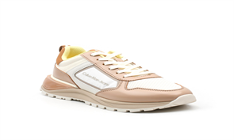 | C-GOGETIT | IVO03 | CHIC CREAM/CHIC C/LL/AC/AC+CW+AC/AC/CC+CC/C24/CC | TINY GRID TEXPW/GRW/GSPW/GTPW/SWW/GWW/RM XZ-S01788-AW/TW/FMW | $89.00 | 12 | OS | 152 | M | 0 | 0 | 0 | 0 | 0 | 0 | 12 | 0 | 0 | 0 | 0 | 0 | 0
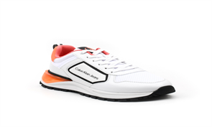 | C-GOGETIT | WHI02 | CM WHITE/CM WHITE/CM WHITE/GOO/B+CW+B/B/CW+CW/B/CW | TINY GRID TEXPW/GRW/GSPW/GTPW/SWW/GWW/RM XZ-S01788-AW/TW/FMW | $89.00 | 200 | OS | 141 | M | 0 | 0 | 29 | 45 | 29 | 50 | 10 | 34 | 0 | 3 | 0 | 0 | 0
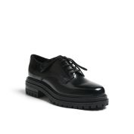 | C-GRAYSIL2 | BLK02 | BLACK | BRUSH OFF LUX BOX PU WPH | $109.00 | 1468 | OS | 002 | M | 9 | 46 | 175 | 194 | 219 | 191 | 182 | 166 | 108 | 82 | 87 | 0 | 9
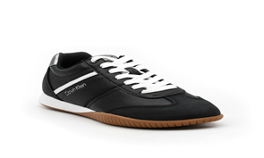 | C-HARLIAN | BLK01 | BLACK/BLACK/GUNMETAL/CM WHITE | B SPORT LUXE NAPPAPW(R)/MSP HJ-3830W(R)/MBSLNPW(R)/BSLNPW(R) | $89.00 | 1052 | OS | 001 | M | 23 | 32 | 110 | 105 | 135 | 135 | 135 | 112 | 90 | 62 | 77 | 0 | 36
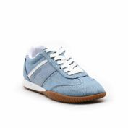 | C-HARLIAN2 | MBL01 | SPRING BLUE/WATERS EDGE/CM WHITE | SPRING DENIM WPH/MASTERPIECE SUEDE PU HJ-3830WPH/B SPORTLNPW | $89.00 | 1411 | OS | 420 | M | 21 | 45 | 140 | 149 | 185 | 185 | 198 | 153 | 119 | 92 | 91 | 0 | 33
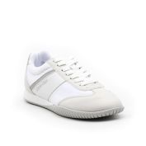 | C-HARLIAN3 | LGR01 | LT GREY88398/CM WHITE/CM WHITE/SILVER/GREY90018 | MASTERPIECE SUEDEP HJ-3830W/TNMW/BSLNPW/MBSLNPW/MSP HJ-3830W | $89.00 | 774 | OS | 050 | M | 20 | 21 | 76 | 89 | 107 | 98 | 110 | 69 | 67 | 43 | 53 | 0 | 21
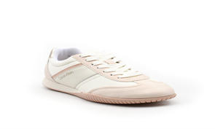 | C-HARLIAN3 | LNA01 | LT DUNE/CHIC CREAM/CHIC CREAM/ANCHOR GOLD/ROSE DUT | MASTERPIECE SUEDEP HJ-3830W/TNMW/BSLNPW/MBSLNPW/MSP HJ-3830W | $89.00 | 1136 | OS | 110 | M | 20 | 32 | 114 | 121 | 146 | 147 | 153 | 125 | 100 | 74 | 72 | 0 | 32
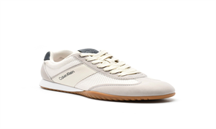 | C-HARLIAN3 | LPU01 | SMOKED LILAC/BLUSHED ORCHID/BLUSHED ORCHID/PURPLES | MASTERPIECE SUEDE PU HJ-3830WPH/SEUL MESH WPH/B SLNPW/BSLNPW | $89.00 | 589 | OS | 530 | M | 2 | 12 | 62 | 75 | 68 | 86 | 86 | 58 | 50 | 38 | 38 | 0 | 14
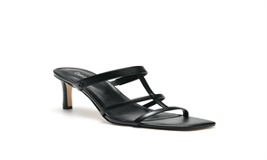 | C-HILEDY | BLK01 | BLACK | SUPER NAPPA PU WPH | $99.00 | 10 | OS | 001 | M | 0 | 0 | 4 | 0 | 1 | 2 | 1 | 0 | 0 | 0 | 0 | 0 | 2
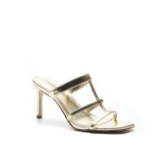 | C-HILEDY | GOL01 | PLATINO15 | JUDITH DX-50370WPH | $99.00 | 2 | OS | 710 | M | 1 | 0 | 0 | 0 | 0 | 0 | 0 | 0 | 1 | 0 | 0 | 0 | 0
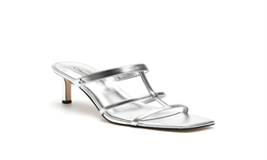 | C-HILEDY | SIL01 | ARGENTO16 | JUDITH DX-50370WPH | $99.00 | 7 | OS | 040 | M | 0 | 0 | 0 | 0 | 0 | 1 | 2 | 2 | 1 | 0 | 0 | 0 | 1
 | C-HILEDY-M | GOL01 | PLATINO15 | JUDITH DX-50370WPH | $- | 2 | OS | 710 | M | 0 | 0 | 0 | 1 | 0 | 0 | 0 | 0 | 0 | 0 | 1 | 0 | 0
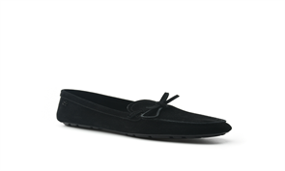 | C-KORIA | BLK01 | BLACK | RICH SUEDE WPH (GR) | $99.00 | 613 | OS | 001 | M | 19 | 19 | 72 | 77 | 101 | 80 | 67 | 55 | 40 | 36 | 41 | 0 | 6
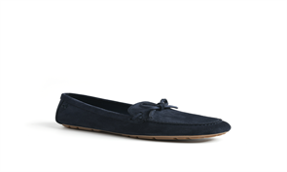 | C-KORIA | DBL01 | RODI | RICH SUEDE WPH (GR) | $99.00 | 574 | OS | 400 | M | 11 | 22 | 53 | 64 | 78 | 75 | 84 | 61 | 42 | 32 | 41 | 0 | 11
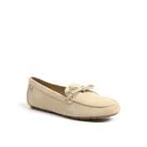 | C-KORIA | LNA01 | TAN89524 | RICH SUEDE WPH (GR) | $99.00 | 680 | OS | 110 | M | 11 | 23 | 73 | 81 | 89 | 88 | 90 | 74 | 53 | 35 | 42 | 0 | 21
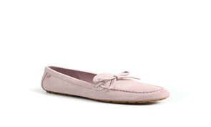 | C-KORIA | LPI01 | LT PINK90769 | RICH SUEDE WPH (GR) | $99.00 | 611 | OS | 680 | M | 11 | 23 | 69 | 67 | 85 | 87 | 84 | 50 | 48 | 43 | 36 | 0 | 8
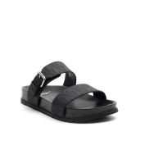 | C-LANDESA | BLK01 | BLACK | AQUA PU WPH | $85.00 | 285 | OS | 001 | M | 20 | 15 | 30 | 30 | 30 | 30 | 30 | 25 | 25 | 15 | 15 | 0 | 20
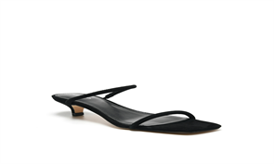 | C-LIMIA | BLK01 | BLACK | NEW SILKY SUEDE WPH (GR) | $89.00 | 4 | OS | 001 | M | 0 | 0 | 0 | 0 | 1 | 0 | 1 | 0 | 0 | 0 | 2 | 0 | 0
 | C-LIMIA | YEL01 | SUNNY YELLOW52967 | NEW SILKY SUEDE WPH (GR) | $89.00 | 15 | OS | 700 | M | 12 | 0 | 0 | 0 | 0 | 0 | 0 | 0 | 0 | 0 | 3 | 0 | 0
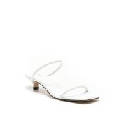 | C-LIMIA2 | WHI01 | LUCENT WHITE | SUPER NAPPA PU WPH | $89.00 | 6 | OS | 140 | M | 1 | 0 | 0 | 0 | 2 | 0 | 1 | 0 | 2 | 0 | 0 | 0 | 0
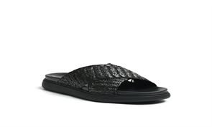 | C-PACEN | BLK01 | BLACK | RAFFIA ZIGZAG WEAVE JY24-1001WPH | $89.00 | 826 | OS | 001 | M | 16 | 19 | 91 | 84 | 117 | 106 | 117 | 85 | 67 | 54 | 51 | 0 | 19
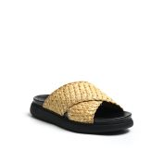 | C-PACEN | LNA01 | NATURAL MULTI89935 | RAFFIA ZIGZAG WEAVE JY24-1001WPH | $89.00 | 565 | OS | 110 | M | 19 | 20 | 53 | 63 | 78 | 77 | 70 | 62 | 49 | 32 | 31 | 0 | 11
 | C-PACEN | LNA01 | NATURAL MULTI89935 | RAFFIA ZIGZAG WEAVE JY24-1001WPH | $89.00 | 18 | PPK | 110 | FF10 | 0 | 0 | 1 | 2 | 2 | 3 | 3 | 3 | 2 | 1 | 1 | 0 | 0
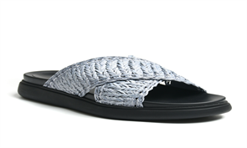 | C-PACEN | MBL01 | BLUE STONE MULTI | RAFFIA ZIGZAG WEAVE JY24-1001WPH | $89.00 | 578 | OS | 420 | M | 11 | 11 | 58 | 58 | 83 | 84 | 83 | 67 | 47 | 34 | 33 | 0 | 9
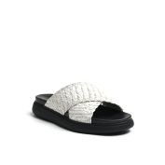 | C-PACEN | WHI01 | SHELL | RAFFIA ZIGZAG WEAVE JY24-1001WPH | $89.00 | 700 | OS | 140 | M | 12 | 23 | 70 | 81 | 96 | 93 | 89 | 78 | 50 | 45 | 41 | 0 | 22
 | C-PRESLEY | BLK01 | BLACK7/BLACK7/BLACK | PP CROCHET LH-B491WPH/9MM PP WOVEN STRIPE WPH/S.NAPPA PU WPH | $79.00 | 123 | OS | 001 | M | 0 | 2 | 34 | 63 | 2 | 18 | 0 | 2 | 0 | 2 | 0 | 0 | 0
 | C-PRESLEY | LNA01 | NATURAL3/NATURAL3/NATURAL3 | PP CROCHET LH-B491WPH/9MM PP WOVEN STRIPE WPH/S.NAPPA PU WPH | $79.00 | 249 | OS | 110 | M | 0 | 1 | 41 | 55 | 36 | 39 | 30 | 40 | 0 | 4 | 3 | 0 | 0
 | C-PRESLEY | WHI01 | OFF WHITE2/OFF WHITE2/OFF WHITE2 | PP CROCHET LH-B491WPH/9MM PP WOVEN STRIPE WPH/S.NAPPA PU WPH | $79.00 | 6 | OS | 140 | M | 0 | 0 | 0 | 1 | 1 | 0 | 0 | 1 | 1 | 2 | 0 | 0 | 0
 | C-PRESLEY-Z | BLK01 | BLACK7/BLACK7/BLACK | PP CROCHET LH-B491WPH/9MM PP WOVEN STRIPE WPH/S.NAPPA PU WPH | $79.00 | 6 | OS | 001 | M | 0 | 0 | 0 | 0 | 6 | 0 | 0 | 0 | 0 | 0 | 0 | 0 | 0
 | C-SALLIA | BLK01 | BLACK | SUPER NAPPA PU WPH | $79.00 | 1815 | OS | 001 | M | 32 | 54 | 191 | 199 | 248 | 239 | 249 | 190 | 146 | 104 | 119 | 0 | 44
 | C-SALLIA | BLK01 | BLACK | SUPER NAPPA PU WPH | $79.00 | 312 | PPK | 001 | FF30 | 0 | 0 | 26 | 26 | 26 | 52 | 52 | 52 | 26 | 26 | 26 | 0 | 0
 | C-SALLIA | BLK01 | BLACK | SUPER NAPPA PU WPH | $79.00 | 6 | PPK | 001 | FF66 | 0 | 0 | 1 | 1 | 1 | 1 | 1 | 1 | 0 | 0 | 0 | 0 | 0
 | C-SALLIA | BLK01 | BLACK | SUPER NAPPA PU WPH | $79.00 | 12 | PPK | 001 | FF67 | 0 | 0 | 0 | 0 | 0 | 2 | 2 | 2 | 2 | 2 | 2 | 0 | 0
 | C-SALLIA | GOL01 | PLATINO15 | JUDITH DX-50370WPH | $79.00 | 1598 | OS | 710 | M | 34 | 44 | 162 | 172 | 214 | 207 | 205 | 181 | 132 | 96 | 108 | 0 | 43
 | C-SALLIA | GOL01 | PLATINO15 | JUDITH DX-50370WPH | $79.00 | 144 | PPK | 710 | FF30 | 0 | 0 | 12 | 12 | 12 | 24 | 24 | 24 | 12 | 12 | 12 | 0 | 0
 | C-SALLIA | GOL01 | PLATINO15 | JUDITH DX-50370WPH | $79.00 | 9 | PPK | 710 | FF45 | 0 | 0 | 1 | 1 | 1 | 1 | 1 | 1 | 1 | 1 | 1 | 0 | 0
 | C-SALLIA | GOL01 | PLATINO15 | JUDITH DX-50370WPH | $79.00 | 6 | PPK | 710 | FF66 | 0 | 0 | 1 | 1 | 1 | 1 | 1 | 1 | 0 | 0 | 0 | 0 | 0
 | C-SALLIA | GOL01 | PLATINO15 | JUDITH DX-50370WPH | $79.00 | 12 | PPK | 710 | FF67 | 0 | 0 | 0 | 0 | 0 | 2 | 2 | 2 | 2 | 2 | 2 | 0 | 0
 | C-SALLIA | GOL01 | PLATINO15 | JUDITH DX-50370WPH | $79.00 | 18 | PPK | 710 | MT50 | 0 | 0 | 0 | 2 | 2 | 2 | 2 | 2 | 2 | 2 | 2 | 0 | 2
 | C-SALLIA | IVO01 | CREAM501 | FEZ NAPPA PU WPH | $79.00 | 918 | OS | 150 | M | 22 | 20 | 92 | 102 | 124 | 122 | 123 | 100 | 81 | 55 | 55 | 0 | 22
 | C-SALLIA | IVO01 | CREAM501 | FEZ NAPPA PU WPH | $79.00 | 12 | PPK | 150 | FF55 | 0 | 0 | 0 | 0 | 1 | 1 | 2 | 2 | 2 | 1 | 2 | 0 | 1
 | C-SALLIA | SIL01 | ARGENTO16 | JUDITH DX-50370WPH | $79.00 | 841 | OS | 040 | M | 18 | 29 | 99 | 104 | 111 | 109 | 124 | 86 | 55 | 44 | 49 | 0 | 13
 | C-ZATORIA | BLK01 | BLACK/BLACK | WOVEN SUPER NAPPA PT WPH/SUPER NAPPA PU WPH | $99.00 | 802 | OS | 001 | M | 11 | 25 | 93 | 101 | 106 | 100 | 101 | 90 | 54 | 38 | 54 | 0 | 29
 | C-ZATORIA | GOL01 | PLATINO02/PLATINO02 | WOVEN GLISTENING TREASU PT WPH/GLISTENING TREASU III PU WPH | $99.00 | 672 | OS | 710 | M | 15 | 31 | 92 | 69 | 112 | 76 | 68 | 67 | 47 | 47 | 46 | 0 | 2
 | C-ZATORIA | IVO01 | NEW CHIC CREAM/NEW CHIC CREAM | WOVEN SUPER NAPPA PT WPH/SUPER NAPPA PU WPH | $99.00 | 4 | OS | 150 | M | 0 | 0 | 0 | 0 | 1 | 1 | 0 | 2 | 0 | 0 | 0 | 0 | 0
 | C-ZATORIA | PEW01 | DK METALLIC TAUPE07/DK METALLIC TAUPE07 | WOVEN GLISTENING TREASU PT WPH/GLISTENING TREASU III PU WPH | $99.00 | 240 | OS | 060 | M | 11 | 10 | 37 | 26 | 34 | 30 | 20 | 16 | 24 | 12 | 11 | 0 | 9

 |  |  |  |  |  | 30881

